Bug Report
QA |  |  |  |  |  |  |  |  |  |  | DEV
Bug ID | Module Name | Build # | Description | TCID | Steps to replicate bugs | Screenshot | Severity | Priority | Reported by | Assighned to | Resolution | Status | Fixed Date
ORHRM_001 | Orange HRM-MyInfo | 1 | Dashboard is displayed after login is successful instead of My Page | TC_MyInfo_001 | 1) Launch browser 2)Open URL "https://opensource-demo.orangehrmlive.com" 3)Provide valid ESS username 4)Provide valid password 5)Click on log-in button | 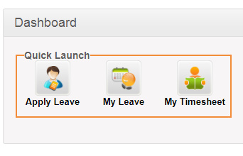 | S2 | P2 | John | Jack | Accepted | In progress
ORHRM_002 | Orange HRM-MyInfo | 1 | The invalid file format error massage for invalid photographs is appearing after the upload is completed. | TC_MyInfo_008 | 1) Log-in to OrangeHRM as ESS user 2) Click on Myinfo tab 3)Click on the photograph on the corner of the screen 4) Click browse and select a photograth from the relevant path 5) click upload once you have selected the picture | 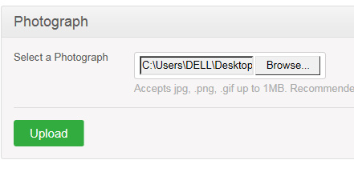 | S2 | P2 | John | Jack | Accepted | Open
ORHRM_003 | Orange HRM-MyInfo | 1 | When need to add Education, only PostGraduation level of education is available(No Bachelor's degree or PhD degree available). Need clarification on Institute, specialization, GPA scor, end data. Not visible on MyInfo ->Qualifications link. Start / End date should not be more than current date. GPA/ Score must be a number not a letter | TC_My_Info_027 | 1) Log-in to OrangeHRM as ESS user 2) Click on Myinfo tab 3)Click on "Qualifications" 4) Click on "Add Education" 5) Provide the following information -Level of education (mandatory) -Institute -Major / Specialisation -Year -GPA/ Score -Start date -End date | 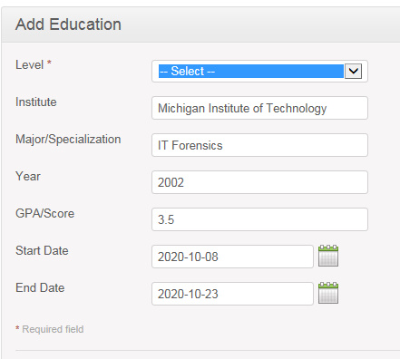 | S2 | P2 | John | Jack | Accepted | Open
ORHRM_004 | Orange HRM-MyInfo | 1 | Only one skill is available, no other skills (multiple skills) can be added | TC_My_Info_031 | 1) Log-in to OrangeHRM as ESS user 2) Click on Myinfo tab 3)Click on "Qualifications" 4) Click on "Add Skills" 5) Provide the following information -Skills (mandatory) -Years of experience -Comments if necessary | 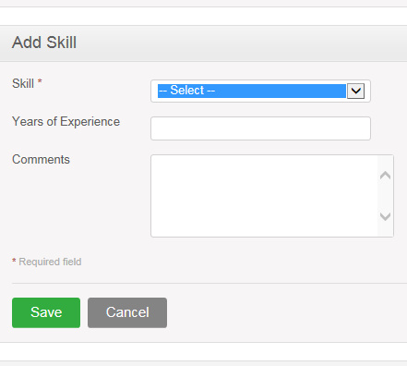 | S1 | P1 | John | Jack | Accepted | Open
ORHRM_005 | Orange HRM-MyInfo | 1 | There are no languages available language selection bar | TC_My_Info_033 | 1) Log-in to OrangeHRM as ESS user 2) Click on Myinfo tab 3)Click on "Qualifications" 4) Click on "Add Languages" 5) Provide the following information -Language (mandatory) -Fluency (mandatory) -Competency (mandatory) -Comments . | 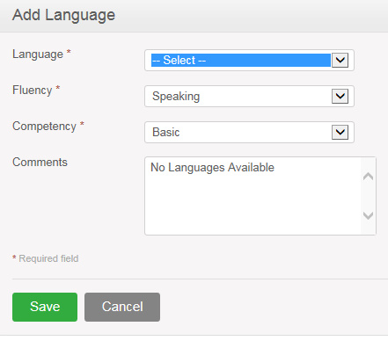 | S1 | P1 | John | Jack | Accepted | Open
ORHRM_006 | Orange HRM-MyInfo | 1 | Only one License type can be added. No more types are avaiable | TC_My_Info_037 | 1) Log-in to OrangeHRM as ESS user 2) Click on Myinfo tab 3)Click on "Qualifications" 4) Click on "Add License" 5) Provide the following information -License type (mandatory) -License number -Isuue date -Expire date | 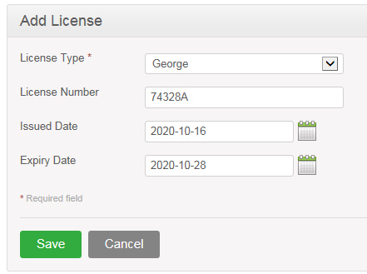 | S2 | P2 | John | Jack | Accepted | Open
ORHRM_007 | Orange HRM-MyInfo | 1 | No Memberships available, No Memberships can be added | TC_My_Info_039 | 1) Log-in to OrangeHRM as ESS user 2) Click on Myinfo tab 3)Click on "Memberships" and "Add" 4) Provide following information - Membership -Subscription paid by -Subscription Amount -Currency -Subscription Commence date -Subscription Renewal date | 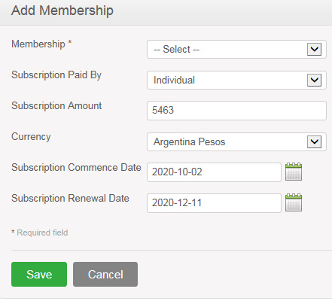 | S1 | P1 | John | Jack | Accepted | Open

